Sheet1
Face Position Detection using ML Algorithms

After Droping Filename, subject, image and angle
Final Dataset

label xF yF wF hF xRE yRE ... yLE xN yN xRM yRM xLM yLM
0 2 292 209 100 112 323 232 ... 231 353 254 332 278 361 278
1 2 286 200 109 128 324 235 ... 235 353 258 333 281 361 281
2 2 290 204 105 121 325 240 ... 239 351 260 334 282 362 282
3 2 287 202 112 118 325 230 ... 230 353 253 335 274 362 275
4 2 290 193 104 119 325 224 ... 225 353 244 333 268 363 268
.. ... ... ... ... ... ... ... ... ... ... ... ... ... ... ...
601 2 278 183 128 141 307 218 ... 210 330 247 324 273 356 266
602 1 268 186 128 134 296 222 ... 212 319 247 316 274 347 269
603 1 264 187 127 131 287 220 ... 211 304 247 305 272 337 270
604 2 264 175 143 136 295 207 ... 200 320 234 314 261 351 251
605 2 266 170 141 139 303 206 ... 198 331 229 319 255 362 247

1. Logistic regression (using k-fold)

Fold: 0 | Training Accuracy 0.9276859504132231
 | Tesing Accuracy 0.8852459016393442

Fold: 1 | Training Accuracy 0.9134020618556701
 | Tesing Accuracy 0.9421487603305785

Fold: 2 | Training Accuracy 0.9154639175257732
 | Tesing Accuracy 0.9256198347107438

Fold: 3 | Training Accuracy 0.9175257731958762
 | Tesing Accuracy 0.9256198347107438

Fold: 4 | Training Accuracy 0.9216494845360824
 | Tesing Accuracy 0.9090909090909091

OVERALL | Training Accuracy 0.9146455954641
 | Tesing Accuracy 0.91244657874466

2. Sigmoid (Logistic ) Neurons

use Pre define function which was implemented in lab

For Training Sample |  | For Test Sample

OverAll Accuracy: 90.43% |  | OverAll Accuracy: 93.73%

Precision for class 1: 85.00% |  | Precision for class 1: 33.33%
Precision for class 2: 90.81% |  | Precision for class 2: 94.95%
Precision for class 3: 0.00% |  | Precision for class 3: 0.00%

Recall for class 1: 73.91% |  | Recall for class 1: 50.00%
Recall for class 2: 98.85% |  | Recall for class 2: 98.60%
Recall for class 3: 0.00% |  | Recall for class 3: 0.00%

3. SLP

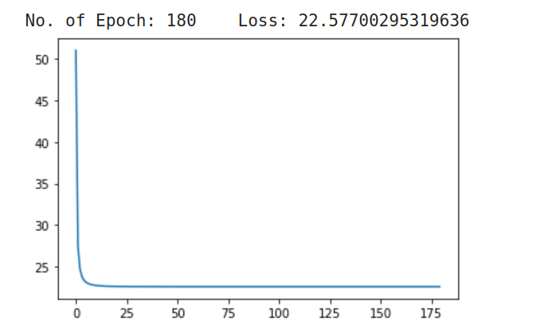

For training sample |  | For test sample
OverAll Accuracy: 90.10% |  | OverAll Accuracy: 90.76%

Precision for class 1: 0.00% |  | Precision for class 1: 0.00%
Precision for class 2: 90.10% |  | Precision for class 2: 90.76%
Precision for class 3: 0.00% |  | Precision for class 3: 0.00%

Recall for class 1: 0.00% |  | Recall for class 1: 0.00%
Recall for class 2: 100.00% |  | Recall for class 2: 100.00%
Recall for class 3: 0.00% |  | Recall for class 3: 0.00%

4. MLP

Fold: 0 | Training Accuracy Score: 90.70247933884298%
 | Testing Accuracy Score: 87.70491803278688

Fold: 1 | Training Accuracy Score: 89.48453608247424%
 | Testing Accuracy Score: 92.56198347107438

Fold: 2 | Training Accuracy Score: 89.89690721649485%
 | Testing Accuracy Score: 90.9090909090909

Fold: 3 | Training Accuracy Score: 89.89690721649485%
 | Testing Accuracy Score: 90.9090909090909

Fold: 4 | Training Accuracy Score: 90.51546391752578%
 | Testing Accuracy Score: 88.42975206611571

OVERALL | Training Accuracy 0.894642395641
 | Tesing Accuracy 0.89444657874466

Conclusion | Both Logistic and sigmoid Neurons are giving best result and accuracy over 90%

